Number of Individual Cases
The number of individual cases identified in EudraVigilance for
CARVEDILOL, IVABRADINE HYDROCHLORIDE is 5 (up to 31/10/2023)
Number of individual cases by Age Group
Age Group | Cases | % | 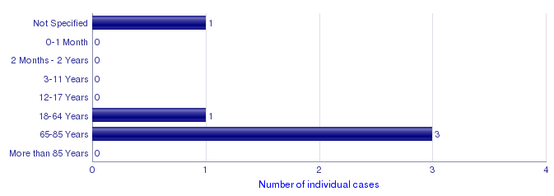
Not Specified | 1 | 20.0%
0-1 Month | 0
2 Months - 2 Years | 0
3-11 Years | 0
12-17 Years | 0
18-64 Years | 1 | 20.0%
65-85 Years | 3 | 60.0%
More than 85 Years | 0
Total | 5 | 100.0%
Number of individual cases by Sex
Sex | Cases | %
Female | 1 | 20.0%
Male | 4 | 80.0%
Not Specified | 0
Total | 5 | 100.0%
Number of individual cases by Geographic Origin (EEA/Non-EEA)
Occurrence Country EEA/Non EEA | Cases | %
European Economic Area | 5 | 100.0%
Non European Economic Area | 0
Not Specified | 0
Total | 5 | 100.0%
Number of individual cases by Reporter Group
Reporter Group | Cases | %
Healthcare Professional | 4 | 80.0%
Non Healthcare Professional | 1 | 20.0%
Not Specified | 0
Total | 5 | 100.0%
For the interpretation of the results, please refer to the key considerations at www.adrreports.eu

